Legend
 |  |  | * Test Results are captured Release based of Test Iteration based. Pls mention Headers accordingly.
Test Types | Results |  | Test Results | Release 1/ Test Iteration 1
Unit | Pass |  | Total Testcases | 39
Integration | Fail |  | Passed Testcases | 39
Installation | Not Executed |  | Failed Testcases | 0
Smoke | Blocked |  | Blocked Testcases | 0
Performance |  |  | Not Executed Testcases | 0
Functional |  |  | Test Performance Index (in %) | 100%
Stress and Volume
Load |  |  | Test Case Amendment History
Regression |  |  | TestCases Amendment | Count
Failure and Recovery |  |  | Total No. Of Testcases Added | 39
Configuration/Compatibility |  |  | Total No. Of Test Case Removed | 0
Acceptance/Sanity |  |  | Total No. Of TestCases Updated | 0
 |  |  | Total Count | 39
Test Performance Index
Release 1/ Test Iteration 1 | 1
 |  | 16

TestCases-Report
OnSemiCamModule_96B - Test Cases/Report |  |  |  |  | * Pls refer to Guidelines worksheet for selecting multiple Test Types for a single Test Case. It also suggests how to filter based on Test Type(s) when one Test Case has been identified for more than one Test Types. * Pls refer to Guidelines worksheet for mapping Test Data with Test Case(s). |  |  |  | * List of Test Types
Module Name | OnSemiCamModule_96B_Thor96 |  | OS Version | Linux imx8mqthor96 5.10.52-lts-5.10.y
Module Version | 1 |  | Browser(s) Version
 |  |  |  |  |  |  |  |  | Release 1/ Test Iteration 1
Requirement ID | Scenario ID | Test Case ID | Amendment | Test Case Description | Pre-condition | Test Type (Comma Seperated List) | Test Steps | Expected Output | Actual Output | Test Result | Bug ID | Remarks | Tested By

RQ 4.3 | SC 4.3.1 | TC 4.3.1.1 | Added | Check the preview streaming of AR0430 camera sensor using AP1302 ISP in the Thor96 Board. | 1. Connect the Thor96 Board with following a. AP-VisiON-AR0430-54 mezzanine card b. HDMI Display c. Keyboard d. Mouse | Functional | 1. Power on the Thor96 board with device tree configured for AR0430 sensor 2. Open the command prompt in GUI in the connected HDMI Display 3. Make sure that default DTB is set to imx8mq-thor96-ap1302-ar0430.dtb 4. Run the following command gst-launch-1.0 v4l2src device=/dev/video0 ! glimagesink render-rectangle='<0, 0, 1920, 1080>' sync=false | AR0430 Streaming should come on connected HDMI display. | 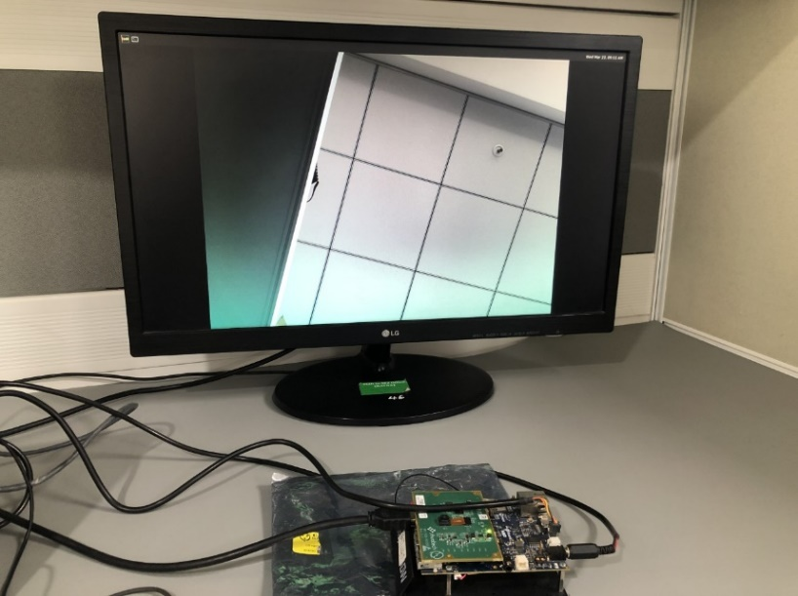 AR0430 streaming is coming on connected HDMI display. | Pass |  |  | Deepak Rathore
RQ 4.3 | SC 4.3.2 | TC 4.3.2.1 | Added | Check the preview streaming of ARX3A0 camera sensor using AP1302 ISP in the Thor96 Board. | 1. Connect the Thor 96 Board with following a. AP-VisiON-ARX3A0-55 mezzanine card b. HDMI Display c. Keyboard d. Mouse | Functional | 1. Power on the Thor96 board with device tree configured for ARX3A0 sensor 2. Open the command prompt in GUI in the connected HDMI Display 3. Make sure that default DTB is set to imx8mq-thor96-ap1302-arx3a0.dtb 4. Run the following command gst-launch-1.0 v4l2src device=/dev/video0 ! glimagesink render-rectangle='<0, 0, 1920, 1080>' sync=false | ARX3A0 streaming should come on connected HDMI display. | 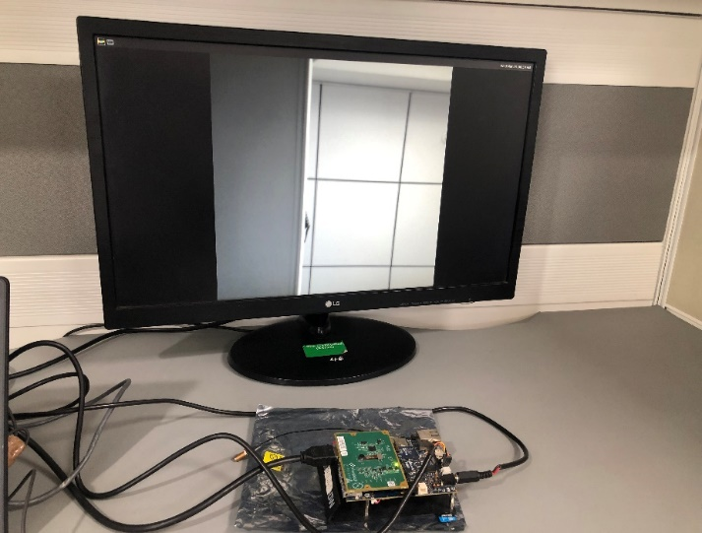 ARX3A0 streaming is coming on connected HDMI display. | Pass |  |  | Deepak Rathore
RQ4.3 | SC 4.3.3 | TC 4.3.3.1 | Added | Check the preview streaming of AR1335 camera sensor using AP1302 ISP in the Thor96 Board. | 1. Connect the Thor 96 Board with following a. AP-VisiON-AR1335-55 mezzanine card b. HDMI Display c. Keyboard d. Mouse | Functional | 1. Power on the Thor96 board with device tree configured for AR1335 sensor 2. Open the command prompt in GUI in the connected HDMI Display 3. Make sure that default DTB is set to imx8mq-thor96-ap1302-ar1335.dtb 4. Run the following command gst-launch-1.0 v4l2src device=/dev/video0 ! glimagesink render-rectangle='<0, 0, 1920, 1080>' sync=false | AR1335 streaming should come on connected HDMI display. | 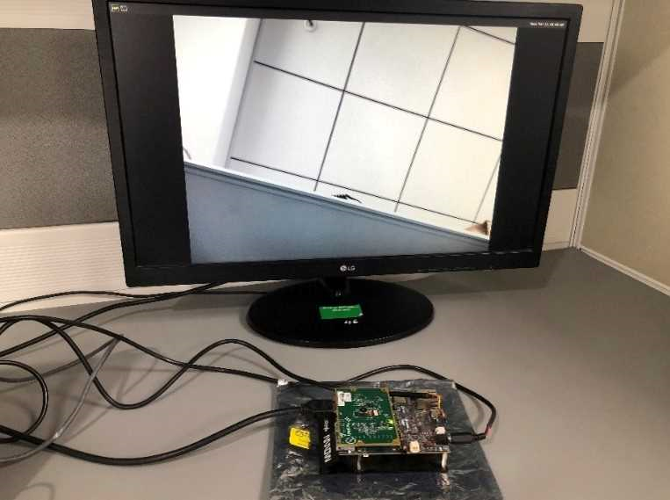 AR1335 streaming is coming in connected HDMI display. | Pass |  |  | Deepak Rathore
RQ 4.3 | SC 4.3.4 | TC 4.3.4.1 | Added | Check the preview streaming of AR0830 camera sensor using AP1302 ISP in the Thor96 Board. | 1. Connect the Thor 96 Board with following a. AP-VisiON-AR0830-83 mezzanine card b. HDMI Display c. Keyboard d. Mouse | Functional | 1. Power on the Thor96 board with device tree configured for AR0830 sensor 2. Open the command prompt in GUI in the connected HDMI Display 3. Make sure that default DTB is set to imx8mq-thor96-ap1302-ar0830.dtb 4. Run the following command gst-launch-1.0 v4l2src device=/dev/video0 ! glimagesink render-rectangle='<0, 0, 1920, 1080>' sync=false | AR0830 Streaming should come on connected HDMI display. | 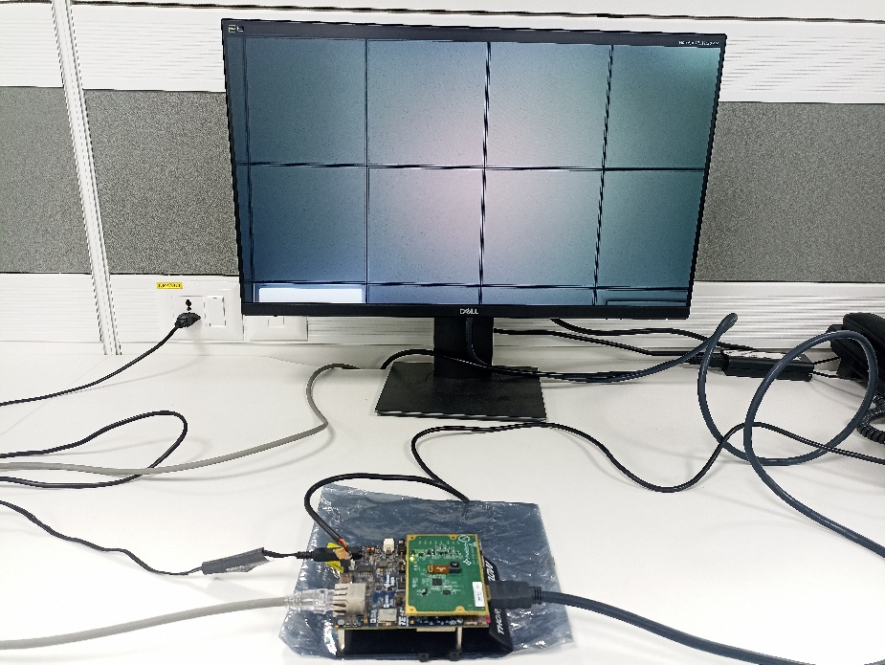 AR0830 streaming is coming in connected HDMI display. | Pass |  |  | Deepak Rathore
RQ 4.4 | SC 4.4.1 | TC 4.4.1.1 | Added | Validation of FPS, Resolution and data format type of AP1302 ISP in Thor 96 Board | 1. Connect the Thor96 Board with following a. AP-VisiON-AR0430-54 mezzanine card b. HDMI Display c. Keyboard d. Mouse | Unit | 1. Power on the Thor96 board with device tree configured for AR0430 sensor 2. Open the command prompt in GUI in the connected HDMI Display 3. Run the following command "v4l2-ctl --list-formats-ext -d /dev/video0" | root@imx8mqthor96:~# v4l2-ctl --list-formats-ext -d /dev/video0 ioctl: VIDIOC_ENUM_FMT Type: Video Capture [0]: 'UYVY' (UYVY 4:2:2) Size: Discrete 2316x1746 Interval: Discrete 0.033s (30.000 fps) | root@imx8mqthor96:~# v4l2-ctl --list-formats-ext -d /dev/video0 ioctl: VIDIOC_ENUM_FMT Type: Video Capture [0]: 'UYVY' (UYVY 4:2:2) Size: Discrete 2316x1746 Interval: Discrete 0.033s (30.000 fps) | Pass |  |  | Deepak Rathore
RQ 4.4 | SC 4.4.2 | TC 4.4.2.1 | Added | Validation of FPS, Resolution and data format type of AP1302 ISP in Thor 96 Board | 1. Connect the Thor96 Board with following a. AP-VisiON-ARX3A0-55 mezzanine card b. HDMI Display c. Keyboard d. Mouse | Unit | 1. Power on the Thor96 board with device tree configured for ARX3A0 sensor 2. Open the command prompt in GUI in the connected HDMI Display 3. Run the following command "v4l2-ctl --list-formats-ext -d /dev/video0" | ioctl: VIDIOC_ENUM_FMT Type: Video Capture [0]: 'UYVY' (UYVY 4:2:2) Size: Discrete 1280x720 Interval: Discrete 0.017s (120.000 fps) | root@imx8mqthor96:~# v4l2-ctl --list-formats-ext -d /dev/video0 ioctl: VIDIOC_ENUM_FMT Type: Video Capture [0]: 'UYVY' (UYVY 4:2:2) Size: Discrete 600x600 Interval: Discrete 0.008s (120.000 fps) | Pass |  |  | Deepak Rathore
RQ4.4 | SC 4.4.3 | TC 4.4.3.1 | Added | Validation of FPS, Resolution and data format type of AP1302 ISP in Thor 96 Board | 1. Connect the Thor96 Board with following a. AP-VisiON-AR1335-55 mezzanine card b. HDMI Display c. Keyboard d. Mouse | Unit | 1. Power on the Thor96 board with device tree configured for AR1335 sensor 2. Open the command prompt in GUI in the connected HDMI Display 3. Run the following command "v4l2-ctl --list-formats-ext -d /dev/video0" | It should display following output: ioctl: VIDIOC_ENUM_FMT Type: Video Capture [0]: 'UYVY' (UYVY 4:2:2) Size: Discrete 4208x3120 Interval: Discrete 0.100s (30.000 fps) | root@imx8mqthor96:~# v4l2-ctl --list-formats-ext -d /dev/video0 ioctl: VIDIOC_ENUM_FMT Type: Video Capture [0]: 'UYVY' (UYVY 4:2:2) Size: Discrete 4208x3120 Interval: Discrete 0.100s (30.000 fps) | Pass |  |  | Deepak Rathore
RQ 4.4 | SC 4.4.4 | TC 4.4.4.1 | Added | Validation of FPS, Resolution and data format type of AP1302 ISP in Thor 96 Board | 1. Connect the Thor 96 Board with following a. AP-VisiON-AR0830-83 mezzanine card b. HDMI Display c. Keyboard d. Mouse | Unit | 1. Power on the Thor96 board with device tree configured for AR0830 sensor 2. Open the command prompt in GUI in the connected HDMI Display 3. Run the following command "v4l2-ctl --list-formats-ext -d /dev/video0" | It should display following output: ioctl: VIDIOC_ENUM_FMT Type: Video Capture [0]: 'UYVY' (UYVY 4:2:2) Size: Discrete 3840x2160 Interval: Discrete 0.033s (30.000 fps) | root@imx8mqthor96:~# v4l2-ctl --list-formats-ext -d /dev/video0 ioctl: VIDIOC_ENUM_FMT Type: Video Capture [0]: 'UYVY' (UYVY 4:2:2) Size: Discrete 3840x2160 Interval: Discrete 0.033s (30.000 fps) | Pass |  |  | Deepak Rathore
RQ 4.5 | SC 4.5.1 | TC 4.5.1.1 | Added | Validation of white balance on AP1302 ISP | 1. Connect the Thor96 Board with following a. AP-VisiON-AR0430-54 mezzanine card b. HDMI Display c. Keyboard d. Mouse | Unit | 1. Power on the Thor96 board with device tree configured for AR0430 sensor 2. Open the command prompt in GUI in the connected HDMI Display 3. Run the following command to set white balance as manual "v4l2-ctl --set-ctrl white_balance_auto_preset=0" 4. Set the following commnd to read the AP1302 register values " echo 0x2005100 > /sys/kernel/debug/ap1302.2-003d/reg_addr" | 1. For the command "v4l2-ctl --get-ctrl white_balance_auto_preset" Expected Result: 0 2. For the command "cat /sys/kernel/debug/ap1302.2-003d/reg_data" Expected Result: 0xXXX0 | 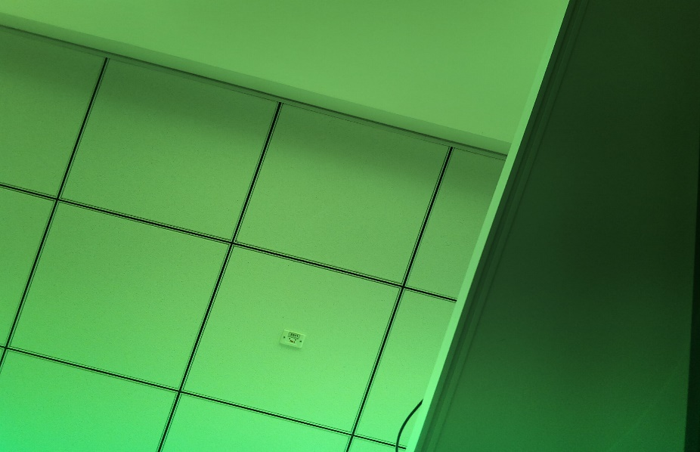 1. root@imx8mqthor96:~# v4l2-ctl --get-ctrl white_balance_auto_preset white_balance_auto_preset: 0fd 2.root@imx8mqthor96:~# cat /sys/kernel/debug/ap1302.2-003d/reg_data 0x00001150 | Pass |  |  | Deepak Rathore
 |  |  |  |  |  |  |  |  |  |  |  |  | Deepak Rathore
RQ 4.5 | SC 4.5.2 | TC 4.5.2.1 | Added | Validation of white balance on AP1302 ISP | 1. Connect the Thor96 Board with following a. AP-VisiON-ARX3A0-55 mezzanine card b. HDMI Display c. Keyboard d. Mouse | Unit | 1. Power on the Thor96 board with device tree configured for ARX3A0 sensor 2. Open the command prompt in GUI in the connected HDMI Display 3. Run the following command to set white balance as manual "v4l2-ctl --set-ctrl white_balance_auto_preset=0" 4. Set the following commnd to read the AP1302 register values " echo 0x2005100 > /sys/kernel/debug/ap1302.1-003d/reg_addr" | 1. For the command "v4l2-ctl --get-ctrl white_balance_auto_preset" Expected Result: 0 2. For the command "cat /sys/kernel/debug/ap1302.2-003d/reg_data" Expected Result: 0xXXX0 |  v4l2-ctl --get-ctrl white_balance_auto_preset white_balance_auto_preset: 0 And it is monochrome sensor so we can see only B&W picture. | Pass |  |  | Deepak Rathore
RQ 4.5 | SC 4.5.3 | TC 4.5.3.1 | Added | Validation of white balance on AP1302 ISP | 1. Connect the Thor96 Board with following a. AP-VisiON-AR1335-55 mezzanine card b. HDMI Display c. Keyboard d. Mouse | Unit | 1. Power on the Thor96 board with device tree configured for AR1335 sensor 2. Open the command prompt in GUI in the connected HDMI Display 3. Run the following command to set white balance as manual "v4l2-ctl --set-ctrl white_balance_auto_preset=0" 4.Set the following commnd to read the AP1302 register values " echo 0x2005100 > /sys/kernel/debug/ap1302.1-003d/reg_addr" | 1. For the command "v4l2-ctl --get-ctrl white_balance_auto_preset" Expected Result: 0 2. For the command "cat /sys/kernel/debug/ap1302.2-003d/reg_data" Expected Result: 0xXXX0 | 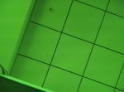 root@imx8mqthor96:/# echo 0x2005100 > /sys/kernel/debug/ap1302.2-003d/reg_addr root@imx8mqthor96:/# cat /sys/kernel/debug/ap1302.2-003d/reg_data 0x00001150 root@imx8mqthor96:/# v4l2-ctl --get-ctrl white_balance_auto_preset white_balance_auto_preset: 0 | Pass |  |  | Deepak Rathore
RQ 4.5 | SC 4.5.4 | TC 4.5.4.1 | Added | Validation of white balance on AP1302 ISP | 1. Connect the Thor96 Board with following a. AP-VisiON-AR0830-83 mezzanine card b. HDMI Display c. Keyboard d. Mouse | Unit | 1. Power on the Thor96 board with device tree configured for AR0830 sensor 2. Open the command prompt in GUI in the connected HDMI Display 3. Run the following command to set white balance as manual "v4l2-ctl --set-ctrl white_balance_auto_preset=0" 4. Set the following commnd to read the AP1302 register values " echo 0x2005100 > /sys/kernel/debug/ap1302.2-003d/reg_addr" | 1. For the command "v4l2-ctl --get-ctrl white_balance_auto_preset" Expected Result: 0 2. For the command "cat /sys/kernel/debug/ap1302.2-003d/reg_data" Expected Result: 0xXXX0 | 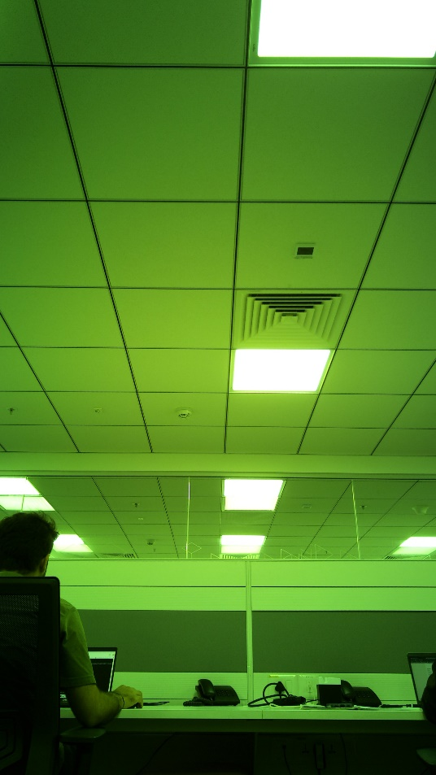 1. root@imx8mqthor96:~# v4l2-ctl --get-ctrl white_balance_auto_preset white_balance_auto_preset: 0 2.root@imx8mqthor96:~# cat /sys/kernel/debug/ap1302.2-003d/reg_data 0x00001150 | Pass |  |  | Deepak Rathore
RQ 4.6 | SC 4.6.1 | TC 4.6.1.1 | Added | Validation of Exposure on AP1302 ISP | 1. Connect the Thor96 Board with following a. AP-VisiON-AR0430-54 mezzanine card b. HDMI Display c. Keyboard d. Mouse | Unit | 1. Power on the Thor96 board with device tree configured for AR0430 sensor 2. Open the command prompt in GUI in the connected HDMI Display 3. Run the following command to set exposure: "v4l2-ctl --set-ctrl exposure=0" 4. Set the following commnd to read the AP1302 register values " echo 0x2005002 > /sys/kernel/debug/ap1302.2-003d/reg_addr" | 1. For the command "v4l2-ctl --get-ctrl exposure" Expected Result: 0 2. For the command "cat /sys/kernel/debug/ap1302.2-003d/reg_data" Expected Result: 0xXXX0 | 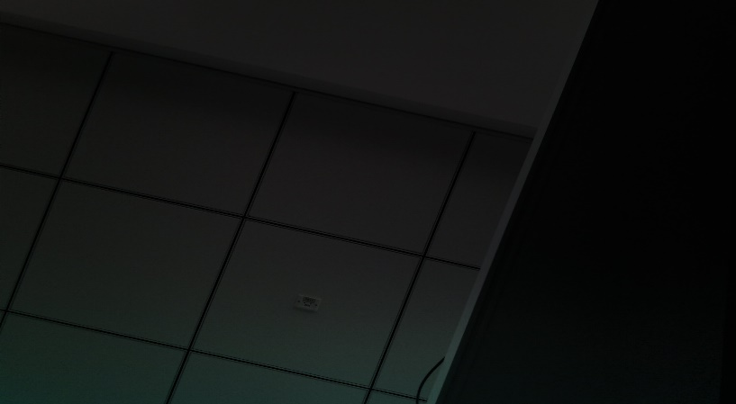 1. root@imx8mqthor96:~# v4l2-ctl --get-ctrl exposure exposure: 0 2.root@imx8mqthor96:~# cat /sys/kernel/debug/ap1302.2-003d/reg_data 0x0000029c | Pass |  |  | Deepak Rathore
RQ 4.6 | SC 4.6.2 | TC 4.6.2.1 | Added | Validation of Exposure on AP1302 ISP | 1. Connect the Thor96 Board with following a. AP-VisiON-ARX3A0-55 mezzanine card b. HDMI Display c. Keyboard d. Mouse | Unit | 1. Power on the Thor96 board with device tree configured for ARX3A0 sensor 2. Open the command prompt in GUI in the connected HDMI Display 3. Run the following command to set exposure: "v4l2-ctl --set-ctrl exposure=0" 4. Set the following commnd to read the AP1302 register values " echo 0x2005002 > /sys/kernel/debug/ap1302.2-003d/reg_addr" | 1. For the command "v4l2-ctl --get-ctrl exposure" Expected Result: 0 |  root@imx8mqthor96:~# v4l2-ctl --get-ctrl exposure exposure: 0 | Pass |  |  | Deepak Rathore
RQ 4.6 | SC 4.6.3 | TC 4.6.3.1 | Added | Validation of Exposure on AP1302 ISP | 1. Connect the Thor96 Board with following a. AP-VisiON-AR1335-55 mezzanine card b. HDMI Display c. Keyboard d. Mouse | Unit | 1. Power on the Thor96 board with device tree configured for AR1335 sensor 2. Open the command prompt in GUI in the connected HDMI Display 3. Run the following command to set exposure: "v4l2-ctl --set-ctrl exposure=0" 4. Set the following commnd to read the AP1302 register values " echo 0x2005002 > /sys/kernel/debug/ap1302.2-003d/reg_addr" | 1. For the command "v4l2-ctl --get-ctrl exposure" Expected Result: 0 And "cat /sys/kernel/debug/ap1302.2-003d/reg_data" 0x00000290 |  root@imx8mqthor96:/# cat /sys/kernel/debug/ap1302.2-003d/reg_data 0x00000290 root@imx8mqthor96:/# v4l2-ctl --get-ctrl exposure exposure: 0 | Pass |  |  | Deepak Rathore
RQ 4.6 | SC 4.6.4 | TC 4.6.4.1 | Added | Validation of Exposure on AP1302 ISP | 1. Connect the Thor96 Board with following a. AP-VisiON-AR0830-83 mezzanine card b. HDMI Display c. Keyboard d. Mouse | Unit | 1. Power on the Thor96 board with device tree configured for AR0830 sensor 2. Open the command prompt in GUI in the connected HDMI Display 3. Run the following command to set exposure: "v4l2-ctl --set-ctrl exposure=0" 4. Set the following commnd to read the AP1302 register values " echo 0x2005002 > /sys/kernel/debug/ap1302.2-003d/reg_addr" | 1. For the command "v4l2-ctl --get-ctrl exposure" Expected Result: 0 2. For the command "cat /sys/kernel/debug/ap1302.2-003d/reg_data" Expected Result: 0xXXX0 | 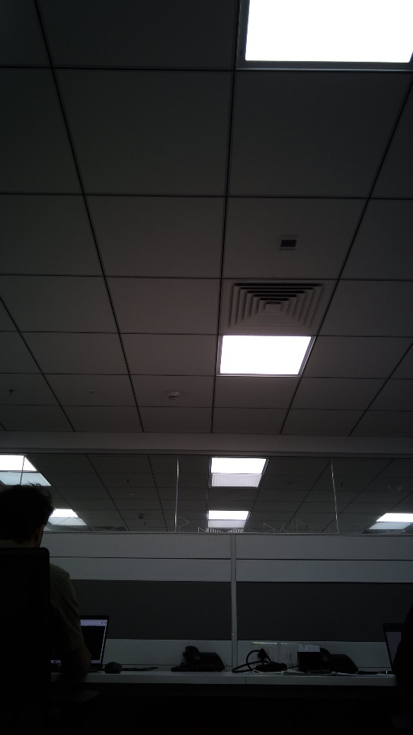 1. root@imx8mqthor96:~# v4l2-ctl --get-ctrl exposure exposure: 0 2.root@imx8mqthor96:~# cat /sys/kernel/debug/ap1302.2-003d/reg_data 0x00000290 | Pass |  |  | Deepak Rathore
RQ 4.7 | SC 4.7.1 | TC 4.7.1.1 | Added | Validation of gain on AP1302 ISP | 1. Connect the Thor96 Board with following a. AP-VisiON-AR0430-54 mezzanine card b. HDMI Display c. Keyboard d. Mouse | Unitt | 1. Power on the Thor96 board with device tree configured for AR0430 sensor 2. Open the command prompt in GUI in the connected HDMI Display 3. Set exposure to manual exposure mode 4. Run the following command to set gain: "v4l2-ctl --set-ctrl gain=1024" 5. Set the following commnd to read the AP1302 register values " echo 0x2005006 > /sys/kernel/debug/ap1302.2-003d/reg_addr" | 1. For the command "v4l2-ctl --get-ctrl gain" Expected Result: 1024 2. For the command "cat /sys/kernel/debug/ap1302.2-003d/reg_data" Expected Result: 0x0400 | 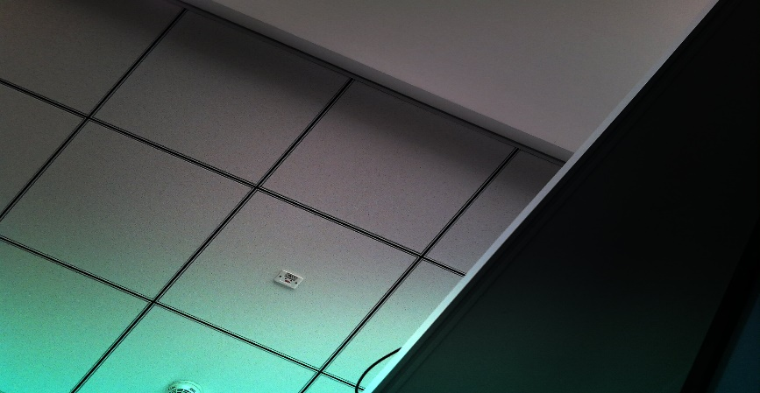 1. root@imx8mqthor96:~# v4l2-ctl --get-ctrl gain gain: 1024 2. root@imx8mqthor96:~# cat /sys/kernel/debug/ap1302.2-003d/reg_data 0x00000400 | Pass |  |  | Deepak Rathore
RQ 4.7 | SC 4.7.2 | TC 4.7.2.1 | Added | Validation of gain on AP1302 ISP | 1. Connect the Thor96 Board with following a. AP-VisiON-ARX3A0-55 mezzanine card b. HDMI Display c. Keyboard d. Mouse | Unit | 1.Power on the Thor96 board with device tree configured for ARX3A0 sensor 2. Open the command prompt in GUI in the connected HDMI Display 3. Set exposure to manual exposure mode 4. Run the following command to set gain: "v4l2-ctl --set-ctrl gain=1024" 5. Set the following commnd to read the AP1302 register values " echo 0x2005006 > /sys/kernel/debug/ap1302.1-003d/reg_addr" | 1. For the command "v4l2-ctl --get-ctrl gain" Expected Result: 1024 |  root@imx8mqthor96:~# v4l2-ctl --get-ctrl gain gain: 1024 | Pass |  |  | Deepak Rathore
RQ 4.7 | SC 4.7.3 | TC 4.7.3.1 | Added | Validation of gain on AP1302 ISP | 1. Connect the Thor96 Board with following a. AP-VisiON-AR1335-55 mezzanine card b. HDMI Display c. Keyboard d. Mouse | Unit | 1. Power on the Thor96 board with device tree configured for AR1335 sensor 2. Open the command prompt in GUI in the connected HDMI Display 3. Set exposure to manual exposure mode 4. Run the following command to set gain: "v4l2-ctl --set-ctrl gain=1024" 5. Set the following commnd to read the AP1302 register values " echo 0x2005006 > /sys/kernel/debug/ap1302.1-003d/reg_addr" | 1. For the command "v4l2-ctl --get-ctrl gain" Expected Result: 1024 | 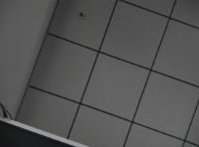 root@imx8mqthor96:/# echo 0x2005006 > /sys/kernel/debug/ap1302.2-003d/reg_addr root@imx8mqthor96:/# cat /sys/kernel/debug/ap1302.2-003d/reg_data 0x00000400 root@imx8mqthor96:/# v4l2-ctl --get-ctrl gain gain: 1024 | Pass |  |  | Deepak Rathore
RQ 4.7 | SC 4.7.4 | TC 4.7.4.1 | Added | Validation of gain on AP1302 ISP | 1. Connect the Thor96 Board with following a. AP-VisiON-AR0830-83 mezzanine card b. HDMI Display c. Keyboard d. Mouse | Unitt | 1. Power on the Thor96 board with device tree configured for AR0830 sensor 2. Open the command prompt in GUI in the connected HDMI Display 3. Set exposure to manual exposure mode 4. Run the following command to set gain: "v4l2-ctl --set-ctrl gain=1024" 5. Set the following commnd to read the AP1302 register values " echo 0x2005006 > /sys/kernel/debug/ap1302.2-003d/reg_addr" | 1. For the command "v4l2-ctl --get-ctrl gain" Expected Result: 1024 2. For the command "cat /sys/kernel/debug/ap1302.2-003d/reg_data" Expected Result: 0x0400 | 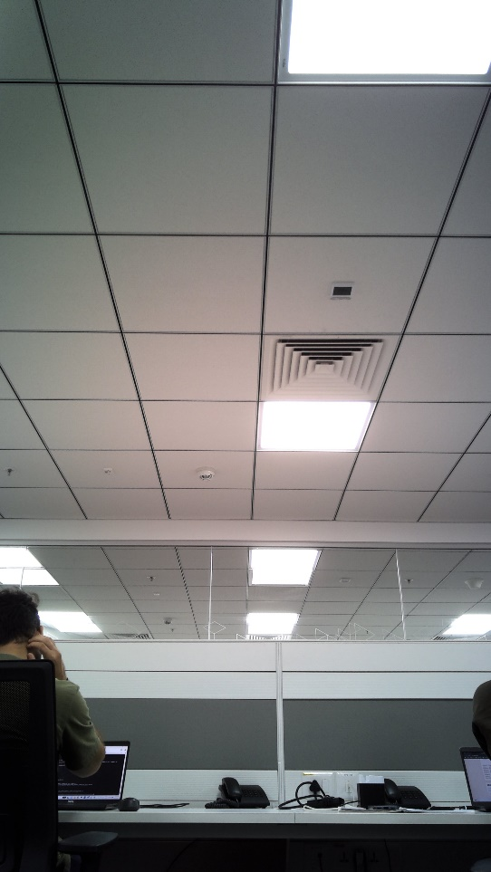 1. root@imx8mqthor96:~# v4l2-ctl --get-ctrl gain gain: 1024 2. root@imx8mqthor96:~# cat /sys/kernel/debug/ap1302.2-003d/reg_data 0x00000400 | Pass |  |  | Deepak Rathore
RQ 4.8 | SC 4.8.1 | TC 4.8.1.1 | Added | Validation of contrast on AP1302 ISP | 1. Connect the Thor96 Board with following a. AP-VisiON-AR0430-54 mezzanine card b. HDMI Display c. Keyboard d. Mouse | Unit | 1. Power on the Thor96 board with device tree configured for AR0430 sensor 2. Open the command prompt in GUI in the connected HDMI Display 3. Run the following command to set contrast: "v4l2-ctl --set-ctrl contrast=4096" 4. Set the following commnd to read the AP1302 register values " echo 0x2007002 > /sys/kernel/debug/ap1302.2-003d/reg_addr" | 1. For the command "v4l2-ctl --get-ctrl contrast" Expected Result: 4096 2. For the command "cat /sys/kernel/debug/ap1302.2-003d/reg_data" Expected Result: 0x1000 | 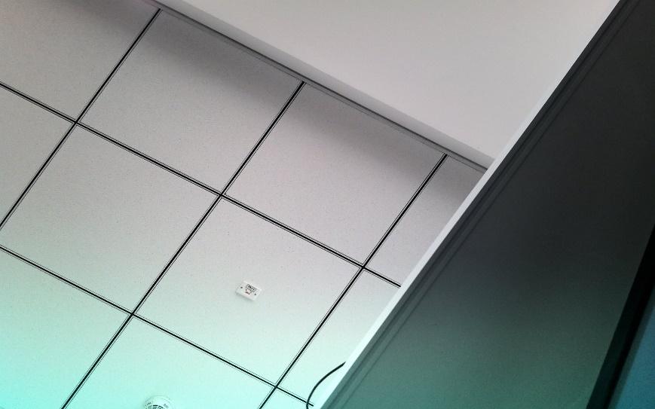 1. root@imx8mqthor96:~# v4l2-ctl --get-ctrl contrast contrast: 4096 2. root@imx8mqthor96:~# cat /sys/kernel/debug/ap1302.2-003d/reg_data 0x00001000 | Pass |  |  | Deepak Rathore
RQ 4.8 | SC 4.8.2 | TC 4.8.2.1 | Added | Validation of contrast on AP1302 ISP | 1. Connect the Thor96 Board with following a. AP-VisiON-ARX3A0-55 mezzanine card b. HDMI Display c. Keyboard d. Mouse | Unit | 1. Power on the Thor96 board with device tree configured for ARX3A0 sensor 2. Open the command prompt in GUI in the connected HDMI Display 3. Run the following command to set contrast: "v4l2-ctl --set-ctrl contrast=4096" 4. Set the following commnd to read the AP1302 register values " echo 0x2007002 > /sys/kernel/debug/ap1302.1-003d/reg_addr" | 1. For the command "v4l2-ctl --get-ctrl contrast" Expected Result: 4096 |  root@imx8mqthor96:~# v4l2-ctl --get-ctrl contrast contrast: 4096 | Pass |  |  | Deepak Rathore
RQ 4.8 | SC 4.8.3 | TC 4.8.3.1 | Added | Validation of contrast on AP1302 ISP | 1. Connect the Thor96 Board with following a. AP-VisiON-AR1335-55 mezzanine card b. HDMI Display c. Keyboard d. Mouse | Unit | 1. Power on the Thor96 board with device tree configured for AR1335 sensor 2. Open the command prompt in GUI in the connected HDMI Display 3. Run the following command to set contrast: "v4l2-ctl --set-ctrl contrast=4096" 4. Set the following commnd to read the AP1302 register values " echo 0x2007002 > /sys/kernel/debug/ap1302.1-003d/reg_addr" | 1. For the command "v4l2-ctl --get-ctrl contrast" Expected Result: 4096 | 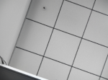 root@imx8mqthor96:/# echo 0x2007002 > /sys/kernel/debug/ap1302.2-003d/reg_addr root@imx8mqthor96:/# cat /sys/kernel/debug/ap1302.2-003d/reg_data 0x00001000 root@imx8mqthor96:/# v4l2-ctl --get-ctrl contrast contrast: 4096 | Pass |  |  | Deepak Rathore
RQ 4.8 | SC 4.8.4 | TC 4.8.4.1 | Added | Validation of contrast on AP1302 ISP | 1. Connect the Thor96 Board with following a. AP-VisiON-AR0830-83 mezzanine card b. HDMI Display c. Keyboard d. Mouse | Unit | 1. Power on the Thor96 board with device tree configured for AR0830 sensor 2. Open the command prompt in GUI in the connected HDMI Display 3. Run the following command to set contrast: "v4l2-ctl --set-ctrl contrast=4096" 4. Set the following commnd to read the AP1302 register values " echo 0x2007002 > /sys/kernel/debug/ap1302.2-003d/reg_addr" | 1. For the command "v4l2-ctl --get-ctrl contrast" Expected Result: 4096 2. For the command "cat /sys/kernel/debug/ap1302.2-003d/reg_data" Expected Result: 0x1000 | 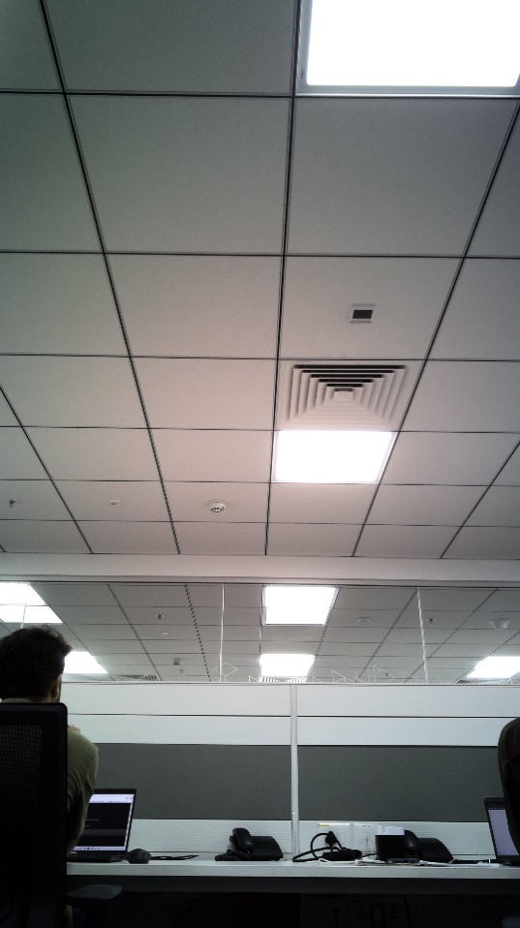 1. root@imx8mqthor96:~# v4l2-ctl --get-ctrl contrast contrast: 4096 2. root@imx8mqthor96:~# cat /sys/kernel/debug/ap1302.2-003d/reg_data 0x00001000 | Pass |  |  | Deepak Rathore
RQ 4.9 | SC 4.9.1 | TC 4.9.1.1 | Added | Validation of Brightness on AP1302 ISP | 1. Connect the Thor96 Board with following a. AP-VisiON-AR0430-54 mezzanine card b. HDMI Display c. Keyboard d. Mouse | Unit | 1. Power on the Thor96 board with device tree configured for AR0430 sensor 2. Open the command prompt in GUI in the connected HDMI Display 3. Run the following command to set brightness "v4l2-ctl --set-ctrl brightness=4096" 4. Set the following commnd to read the AP1302 register values " echo 0x2007000 > /sys/kernel/debug/ap1302.2-003d/reg_addr" | 1. For the command "v4l2-ctl --get-ctrl brightness" Expected Result: 4096 2. For the command "cat /sys/kernel/debug/ap1302.2-003d/reg_data" Expected Result: 0x1000 | 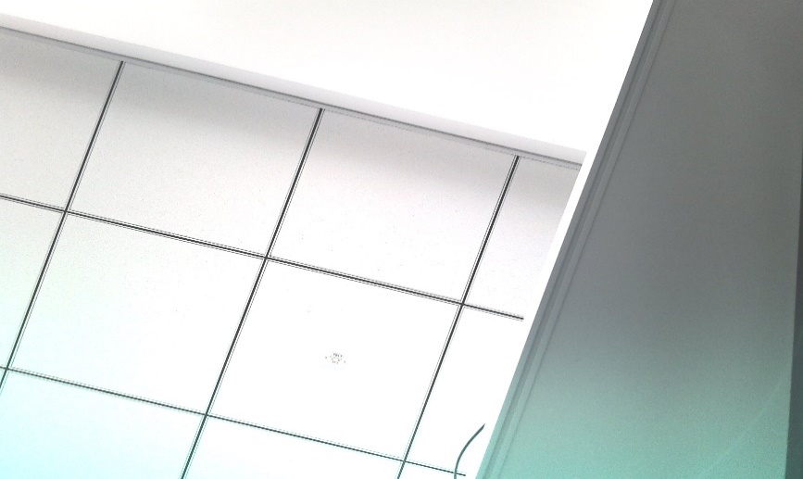 1.root@imx8mqthor96:~# v4l2-ctl --get-ctrl brightness brightness: 2048 2 root@imx8mqthor96:~# cat /sys/kernel/debug/ap1302.2-003d/reg_data 0x00001000 | Pass |  |  | Deepak Rathore
RQ 4.9 | SC 4.9.2 | TC 4.9.2.1 | Added | Validation of Brightness on AP1302 ISP | 1. Connect theThor96 Board with following a. AP-VisiON-ARX3A0-55 mezzanine card b. HDMI Display c. Keyboard d. Mouse | Unit | 1. Power on the Thor96 board with device tree configured for ARX3A0 sensor 2. Open the command prompt in GUI in the connected HDMI Display 3. Run the following command to set brightness "v4l2-ctl --set-ctrl brightness=1024" 4. Set the following commnd to read the AP1302 register values " echo 0x2007000 > /sys/kernel/debug/ap1302.1-003d/reg_addr" | 1. For the command "v4l2-ctl --get-ctrl contrast" Expected Result: 1024 | 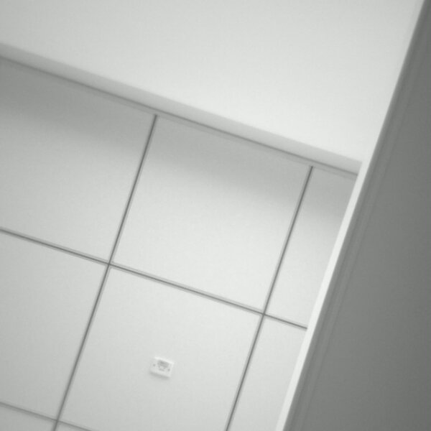 1.root@imx8mqthor96:~# v4l2-ctl --get-ctrl brightness brightness: 1024 | Pass |  |  | Deepak Rathore
RQ 4.9 | SC 4.9.3 | TC 4.9.3.1 | Added | Validation of Brightness on AP1302 ISP | 1. Connect theThor96 Board with following a. AP-VisiON-AR1335-55 mezzanine card b. HDMI Display c. Keyboard d. Mouse | Unit | 1. Power on the Thor96 board with device tree configured for AR1335 sensor 2. Open the command prompt in GUI in the connected HDMI Display 3. Run the following command to set brightness "v4l2-ctl --set-ctrl brightness=1024" 4. Set the following commnd to read the AP1302 register values " echo 0x2007000 > /sys/kernel/debug/ap1302.1-003d/reg_addr" | 1. For the command "v4l2-ctl --get-ctrl contrast" Expected Result: 1024 | 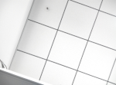 root@imx8mqthor96:/# echo 0x2007000 > /sys/kernel/debug/ap1302.2-003d/reg_addr root@imx8mqthor96:/# cat /sys/kernel/debug/ap1302.2-003d/reg_data 0x00000400 root@imx8mqthor96:/# v4l2-ctl --get-ctrl brightness brightness: 1024 | Pass |  |  | Deepak Rathore
RQ 4.9 | SC 4.9.4 | TC 4.9.4.1 | Added | Validation of Brightness on AP1302 ISP | 1. Connect the Thor96 Board with following a. AP-VisiON-AR0830-83 mezzanine card b. HDMI Display c. Keyboard d. Mouse | Unit | 1. Power on the Thor96 board with device tree configured for AR0830 sensor 2. Open the command prompt in GUI in the connected HDMI Display 3. Run the following command to set brightness "v4l2-ctl --set-ctrl brightness=4096" 4. Set the following commnd to read the AP1302 register values " echo 0x2007000 > /sys/kernel/debug/ap1302.2-003d/reg_addr" | 1. For the command "v4l2-ctl --get-ctrl brightness" Expected Result: 2048 2. For the command "cat /sys/kernel/debug/ap1302.2-003d/reg_data" Expected Result: 0x0800 | 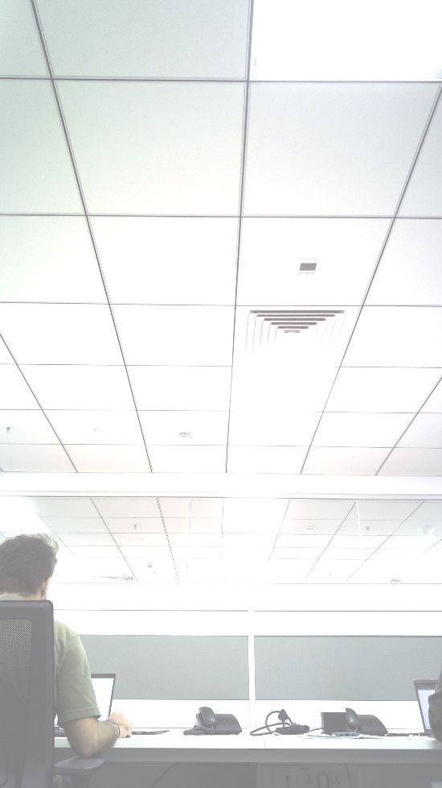 1.root@imx8mqthor96:~# v4l2-ctl --get-ctrl brightness brightness: 2048 2 root@imx8mqthor96:~# cat /sys/kernel/debug/ap1302.2-003d/reg_data 0x00000800 | Pass |  |  | Deepak Rathore
RQ 4.10 | SC 4.10.1 | TC 4.10.1.1 | Added | Validation of Saturation on AP1302 ISP | 1. Connect the Thor96 Board with following a. AP-VisiON-AR0430-54 mezzanine card b. HDMI Display c. Keyboard d. Mouse | Unit | 1. Power on the Thor96 board with device tree configured for AR0430 sensor 2. Open the command prompt in GUI in the connected HDMI Display 3. Run the following command to set saturation "v4l2-ctl --set-ctrl saturation=4096" 4. Set the following commnd to read the AP1302 register values " echo 0x2007006 > /sys/kernel/debug/ap1302.2-003d/reg_addr" | 1. For the command "v4l2-ctl --get-ctrl saturation" Expected Result: 4096 2. For the command "cat /sys/kernel/debug/ap1302.-003d/reg_data" Expected Result: 0x1000 | 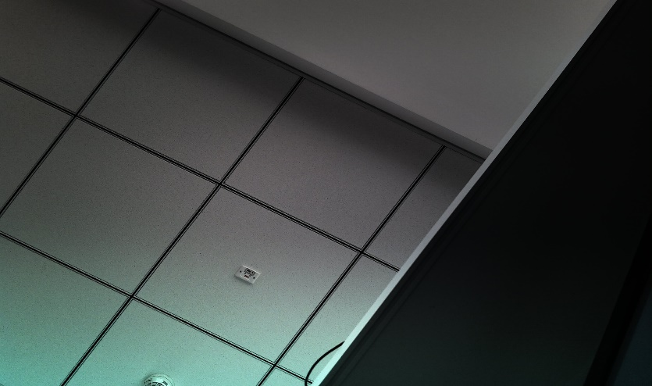 1. root@imx8mqthor96:~# v4l2-ctl --get-ctrl saturation saturation: 4096 2 root@imx8mqthor96:~# cat /sys/kernel/debug/ap1302.2-003d/reg_data 0x00001000 | Pass |  |  | Deepak Rathore
RQ 4.10 | SC 4.10.2 | TC 4.10.2.1 | Added | Validation of Saturation on AP1302 ISP | 1. Connect the Thor96 Board with following a. AP-VisiON-ARX3A0-55 mezzanine card b. HDMI Display c. Keyboard d. Mouse | Unit | 1. Power on the Thor96 board with device tree configured for ARX3A0 sensor 2. Open the command prompt in GUI in the connected HDMI Display 3. Run the following command to set saturation "v4l2-ctl --set-ctrl saturation=4096" 4. Set the following commnd to read the AP1302 register values " echo 0x2007006 > /sys/kernel/debug/ap1302.1-003d/reg_addr" | 1. For the command "v4l2-ctl --get-ctrl saturation" Expected Result: 4096 2. For the command "cat /sys/kernel/debug/ap1302.-003d/reg_data" Expected Result: 0x1000 |  root@imx8mqthor96:~# v4l2-ctl --get-ctrl saturation saturation: 4096 | Pass |  |  | Deepak Rathore
RQ 4.10 | SC 4.10.3 | TC 4.10.3.1 | Added | Validation of Saturation on AP1302 ISP | 1. Connect the Thor96 Board with following a. AP-VisiON-AR1335-55 mezzanine card b. HDMI Display c. Keyboard d. Mouse | Unit | 1. Power on the Thor96 board with device tree configured for AR1335 sensor 2. Open the command prompt in GUI in the connected HDMI Display 3. Run the following command to set saturation "v4l2-ctl --set-ctrl saturation=4096" 4. Set the following commnd to read the AP1302 register values " echo 0x2007006 > /sys/kernel/debug/ap1302.1-003d/reg_addr" | 1. For the command "v4l2-ctl --get-ctrl saturation" Expected Result: 4096 2. For the command "cat /sys/kernel/debug/ap1302.-003d/reg_data" Expected Result: 0x1000 | 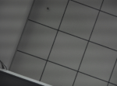 root@imx8mqthor96:/# echo 0x2007006 > /sys/kernel/debug/ap1302.2-003d/reg_addr root@imx8mqthor96:/# root@imx8mqthor96:/# cat /sys/kernel/debug/ap1302.2-003d/reg_data 0x00001000 root@imx8mqthor96:/# v4l2-ctl --get-ctrl saturation saturation: 4096 | Pass |  |  | Deepak Rathore
RQ 4.10 | SC 4.10.4 | TC 4.10.4.1 | Added | Validation of Saturation on AP1302 ISP | 1. Connect the Thor96 Board with following a. AP-VisiON-AR0830-83 mezzanine card b. HDMI Display c. Keyboard d. Mouse | Unit | 1. Power on the Thor96 board with device tree configured for AR0830 sensor 2. Open the command prompt in GUI in the connected HDMI Display 3. Run the following command to set saturation "v4l2-ctl --set-ctrl saturation=4096" 4. Set the following commnd to read the AP1302 register values " echo 0x2007006 > /sys/kernel/debug/ap1302.2-003d/reg_addr" | 1. For the command "v4l2-ctl --get-ctrl saturation" Expected Result: 4096 2. For the command "cat /sys/kernel/debug/ap1302.2-003d/reg_data" Expected Result: 0x1000 | 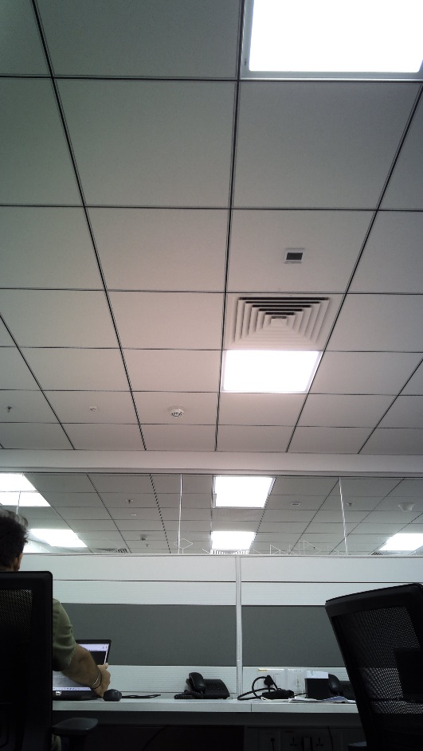 1. root@imx8mqthor96:~# v4l2-ctl --get-ctrl saturation saturation: 4096 2 root@imx8mqthor96:~# cat /sys/kernel/debug/ap1302.2-003d/reg_data 0x00001000 | Pass |  |  | Deepak Rathore
RQ 4.11 | SC 4.11.1 | TC 4.11.1.1 | Added | Validation of Gamma on AP1302 ISP | 1. Connect the Thor96 Board with following a. AP-VisiON-AR0430-54 mezzanine card b. HDMI Display c. Keyboard d. Mouse | Unit | 1. Power on the Thor96 board with device tree configured for AR0430 sensor 2. Open the command prompt in GUI in the connected HDMI Display 3. Run the following command to set gamma: "v4l2-ctl --set-ctrl gamma=4096" 4. Set the following commnd to read the AP1302 register values " echo 0x200700A > /sys/kernel/debug/ap1302.2-003d/reg_addr" | 1. For the command "v4l2-ctl --get-ctrl gamma" Expected Result: 4096 2. For the command "cat /sys/kernel/debug/ap1302.2-003d/reg_data" Expected Result: 0x1000 | 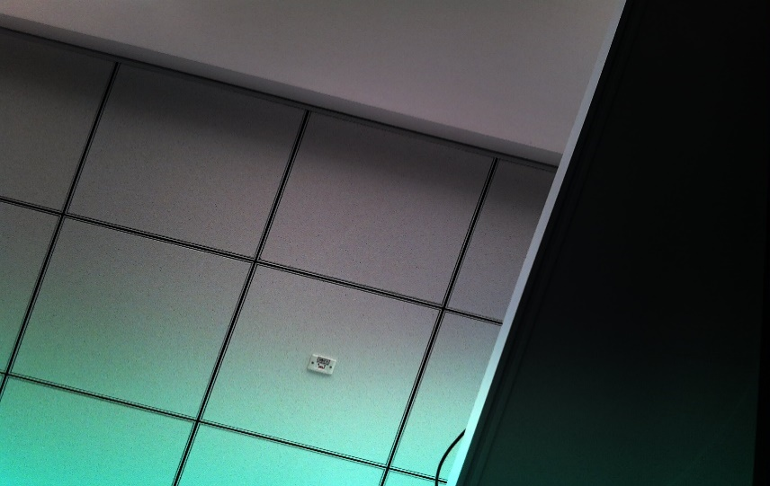 1. root@imx8mqthor96:~# v4l2-ctl --get-ctrl gamma gamma: 4096 2. root@imx8mqthor96:~# cat /sys/kernel/debug/ap1302.2-003d/reg_data 0x00001000 | Pass |  |  | Deepak Rathore
RQ 4.11 | SC 4.11.2 | TC 4.11.2.1 | Added | Validation of Gamma on AP1302 ISP | 1. Connect the Thor96 Board with following a. AP-VisiON-ARX3A0-55 mezzanine card b. HDMI Display c. Keyboard d. Mouse | Unit | 1. Power on the Thor96 board with device tree configured for ARX3A0 sensor 2. Open the command prompt in GUI in the connected HDMI Display 3. Run the following command to set gamma: "v4l2-ctl --set-ctrl gamma=4096" 4. Set the following commnd to read the AP1302 register values " echo 0x200700A > /sys/kernel/debug/ap1302.1-003d/reg_addr" | 1. For the command "v4l2-ctl --get-ctrl gamma" Expected Result: 4096 |  root@imx8mqthor96:~# v4l2-ctl --get-ctrl gamma gamma: 4096 | Pass |  |  | Deepak Rathore
RQ 4.11 | SC 4.11.3 | TC 4.11.3.1 | Added | Validation of Gamma on AP1302 ISP | 1. Connect the Thor96 Board with following a. AP-VisiON-AR1335-55 mezzanine card b. HDMI Display c. Keyboard d. Mouse | Unit | 1. Power on the Thor96 board with device tree configured for AR1335 sensor 2. Open the command prompt in GUI in the connected HDMI Display 3. Run the following command to set gamma: "v4l2-ctl --set-ctrl gamma=4096" 4. Set the following commnd to read the AP1302 register values " echo 0x200700A > /sys/kernel/debug/ap1302.1-003d/reg_addr" | 1. For the command "v4l2-ctl --get-ctrl gamma" Expected Result: 4096 | 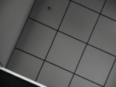 root@imx8mqthor96:/# echo 0x200700A > /sys/kernel/debug/ap1302.2-003d/reg_addr root@imx8mqthor96:/# root@imx8mqthor96:/# cat /sys/kernel/debug/ap1302.2-003d/reg_data 0x00001000 root@imx8mqthor96:/# v4l2-ctl --get-ctrl gamma gamma: 4096 | Pass |  |  | Deepak Rathore
RQ 4.11 | SC 4.11.4 | TC 4.11.4.1 | Added | Validation of Gamma on AP1302 ISP | 1. Connect the Thor96 Board with following a. AP-VisiON-AR0830-83 mezzanine card b. HDMI Display c. Keyboard d. Mouse | Unit | 1. Power on the Thor96 board with device tree configured for AR0830 sensor 2. Open the command prompt in GUI in the connected HDMI Display 3. Run the following command to set gamma: "v4l2-ctl --set-ctrl gamma=4096" 4. Set the following commnd to read the AP1302 register values " echo 0x200700A > /sys/kernel/debug/ap1302.2-003d/reg_addr" | 1. For the command "v4l2-ctl --get-ctrl gamma" Expected Result: 4096 2. For the command "cat /sys/kernel/debug/ap1302.2-003d/reg_data" Expected Result: 0x1000 | 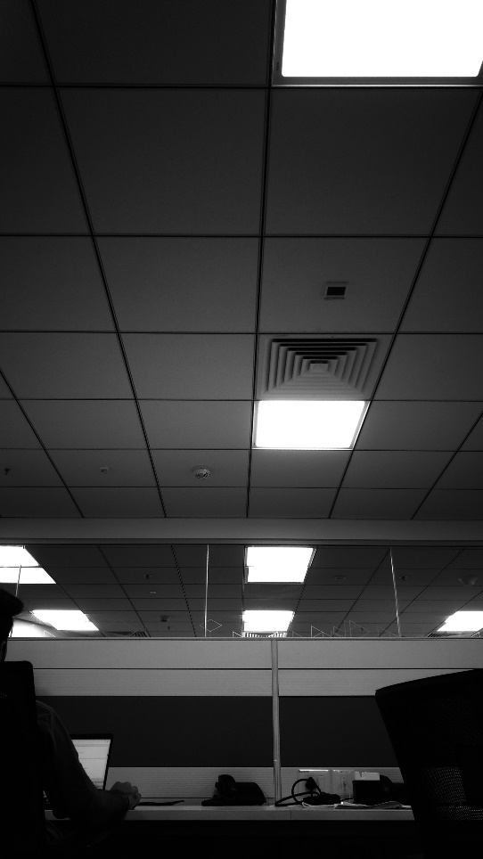 1. root@imx8mqthor96:~# v4l2-ctl --get-ctrl gamma gamma: 4096 2. root@imx8mqthor96:~# cat /sys/kernel/debug/ap1302.2-003d/reg_data 0x00001000 | Pass |  |  | Deepak Rathore
RQ 4.12 | SC 4.12.1 | TC 4.12.1.1 | Added | Validation of Auto focus continous mode on AP1302 ISP | 1. Connect the Thor96 Board with following a. AP-VisiON-AR1335-74 mezzanine card b. HDMI Display c. Keyboard d. Mouse | Unit | 1. Power on the Thor96 board with device tree configured for AR1335 sensor 2. Open the command prompt in GUI in the connected HDMI Display 3. Run the following command to set Auto focus in continous mode "v4l2-ctl --set-ctrl focus_automatic_continuous=1" 4. Set the following commnd to read the AP1302 register values " echo 0x2005058 > /sys/kernel/debug/ap1302.1-003d/reg_addr" | 1. For the command "v4l2-ctl --get-ctrl focus_automatic_continuous" Expected Result: 1 2. For the command "cat /sys/kernel/debug/ap1302.1-003d/reg_data" Expected Result: 0xXXXXXXX8 | root@imx8mqthor96:~# v4l2-ctl --get-ctrl focus_automatic_continuous focus_automatic_continuous: 1 root@imx8mqthor96:~# echo 0x2005058 > /sys/kernel/debug/ap1302.2-003d/reg_addr root@imx8mqthor96:~# cat /sys/kernel/debug/ap1302.2-003d/reg_data 0x00001188 | Pass |  |  | Deepak Rathore
RQ 4.12 | SC 4.12.2 | TC 4.12.2.1 | Added | Validation of Auto focus manual mode on AP1302 ISP | 1. Connect the Thor96 Board with following a. AP-VisiON-AR1335-74 mezzanine card b. HDMI Display c. Keyboard d. Mouse | Unit | 1. Power on the Thor96 board with device tree configured for AR1335 sensor 2. Open the command prompt in GUI in the connected HDMI Display 3. Run the following command to set Auto focus in continous mode "v4l2-ctl --set-ctrl focus_automatic_continuous=0" 4. Set the following commnd to read the AP1302 register values " echo 0x2005058 > /sys/kernel/debug/ap1302.1-003d/reg_addr" | 1. For the command "v4l2-ctl --get-ctrl focus_automatic_continuous" Expected Result: 0 2. For the command "cat /sys/kernel/debug/ap1302.1-003d/reg_data" Expected Result: 0xXXXXXXX3 | root@imx8mqthor96:~# v4l2-ctl --get-ctrl focus_automatic_continuous focus_automatic_continuous: 0 root@imx8mqthor96:~# echo 0x2005058 > /sys/kernel/debug/ap1302.2-003d/reg_addr root@imx8mqthor96:~# cat /sys/kernel/debug/ap1302.2-003d/reg_data 0x00001183 | Pass |  |  | Deepak Rathore
RQ 4.12 | SC 4.12.3 | TC 4.12.3.1 | Added | Validation of focus absolute in manual mode on AP1302 ISP | 1. Connect the Thor96 Board with following a. AP-VisiON-AR1335-74 mezzanine card b. HDMI Display c. Keyboard d. Mouse | Unit | 1. Power on the Thor96 board with device tree configured for AR1335 sensor 2. Open the command prompt in GUI in the connected HDMI Display 3. Run the following command to set focus absolute value maximum in manual focus mode "v4l2-ctl --set-ctrl focus_absolute=255" 4. Run the following command to set focus absolute value minimum H46in manual focus mode "v4l2-ctl --set-ctrl focus_absolute=255" 5. Set the following commnd to read the AP1302 register values " echo 0x200505C > /sys/kernel/debug/ap1302.1-003d/reg_addr" | 1. For the command "v4l2-ctl --get-ctrl focus_absolute" Expected Result: 255 when u set maximum value Expected Result: 0 when u set minimum value 2. For the command "cat /sys/kernel/debug/ap1302.1-003d/reg_data" Expected Result: 0x00000032 | 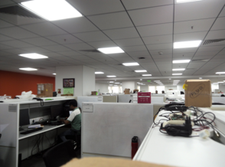 root@imx8mqthor96:~# v4l2-ctl --get-ctrl focus_absolute focus_absolute: 255 when It is setted to maximum root@imx8mqthor96:~# v4l2-ctl --get-ctrl focus_absolute focus_absolute: 0 when It is setted to minimum and it will do Auto focus | Pass |  |  | Deepak Rathore

